IKEA syst 3
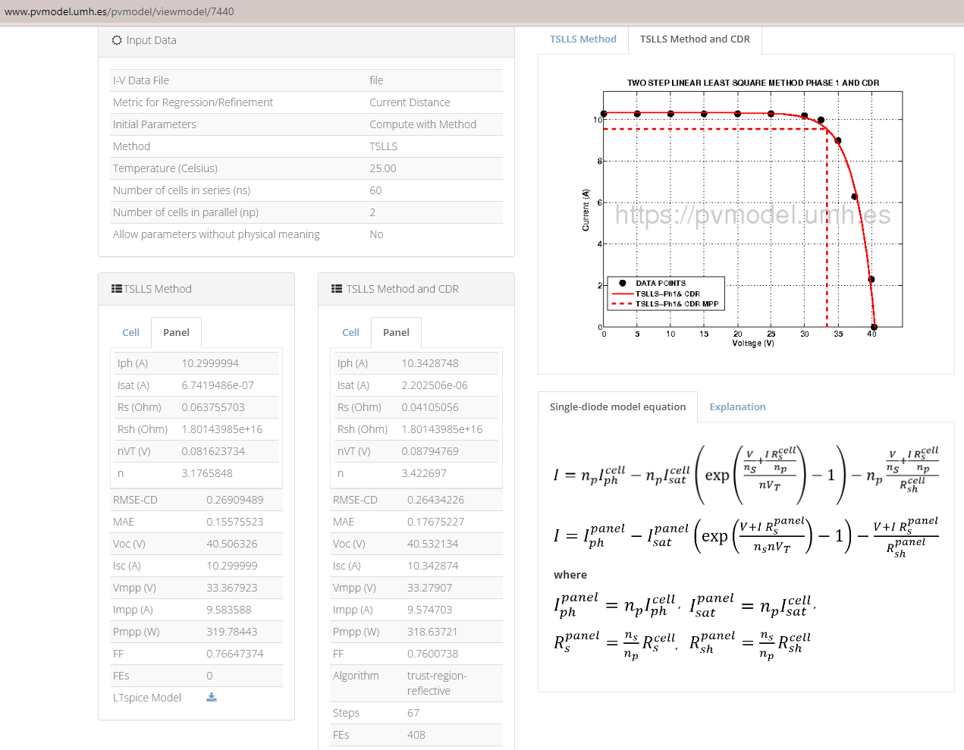
Name | Value | Unit | Description
VdcMaxModule | 1000 | V | Maximum DC voltage of the PV system allowed for this panel
CellTech | Mono-Si 1 |  | PV cell technology
HWDsizes[1:3] | {1.698 1.004 0.035} | m | Outer dimensions of PV module in order of height, width, and depth in portrait orientation
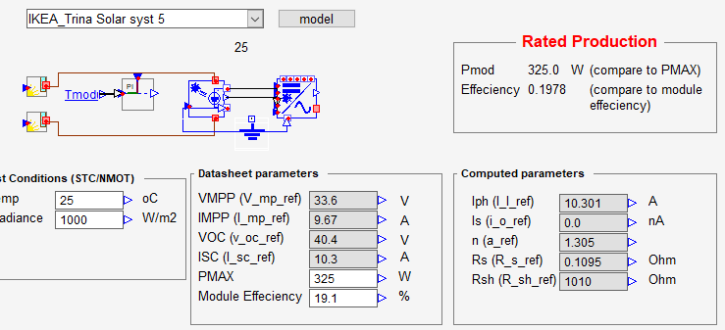
massModule | 18.7 | kg | Mass of Pv module
I_sc_ref | 10.3 | A | Short-circuit current at STC reference conditions
V_oc_ref | 40.4 | V | Open- circuit voltage at reference conditions
I_mp_ref | 9.67 | A | Current at maximum power point at STC reference conditions
V_mp_ref | 33.6 | V | Voltage at maximum power point at STC reference conditions
alpha_sc | 0.0005 |  | Temperature coefficient for short-circuit current; I_sc temperature coefficient (data sheet)/100*I_sc_ref
beta_oc | -0.0026 |  | Temperature coefficient for open-circuit current; V_oc temperature coefficient (data sheet)/100*V_oc_ref
subModRows | 2 |  | Number of rows of submodules in one module
subModCols | 3 |  | Number of columns of submodules in one module
subMCellRows | 10 |  | Number of rows of cells in one submodule
subMCellCols | 2 |  | Number of columns of cells in one submodule
a_ref | 1.26 |  | Diode ideality factor at STC reference conditions; (Ns/Np)*nVT
I_I_ref | 10.3 | A | Light current at STC reference conditions
I_o_ref | 0 | nA | Diode reverse saturation current at STC reference conditions
R_s_ref | 0.11 | Ohm | Series resistance at STC reference conditions
R_sh_ref | 1000000 | Ohm | Shunt resistance at STC reference conditions
nPsubM_inRow | 1 |  | Number of submodules in parallel in a submodule row
nPsubM_inCol | 2 |  | Number of submodules in parallel in a submodule column
Transparency[1:2] | {0.0 0.0} | % | Transparency for cell covered area and inter-cell area
HW_LightExp[1:2] | {1.675 0.981} | m | Dimensions of light exposed area of the PV module in order of height and width in portrait orientation | 6x11 cells
HW_cell[1:2] | {0.078 0.156} | m | Dimensions of cells in order of height and width in the portait oriented module
ratioFullCellSq | 99 | % | Ratio of the pseudo cell's area to the full square's area

KP syst 8
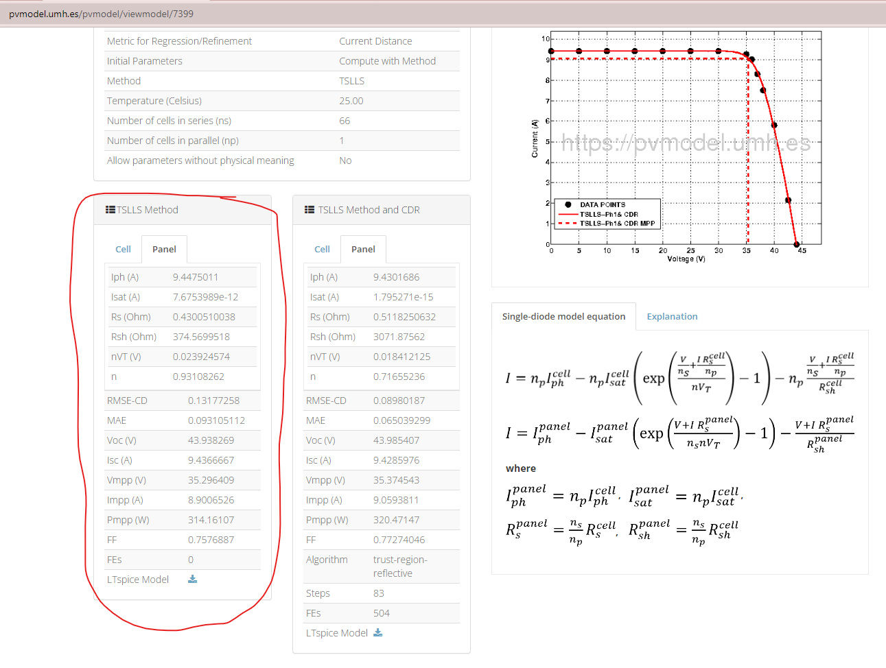
Name | Value | Unit | Description
VdcMaxModule | 1500 | V | Maximum DC voltage of the PV system allowed for this panel
CellTech | Mono-Si |  | PV cell technology
HWDsizes[1:3] | {1.7 0.992 0.035} | m | Outer dimensions of PV module in order of height, width, and depth in portrait orientation
massModule | 19.2 | kg | Mass of Pv module
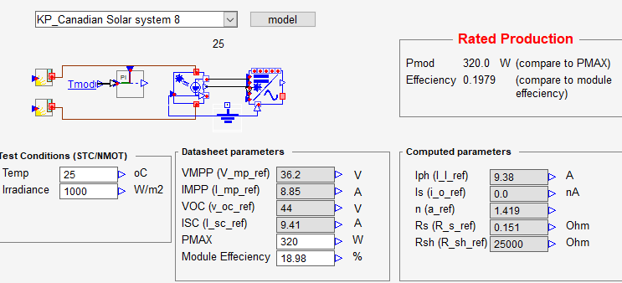
I_sc_ref | 9.41 | A | Short-circuit current at STC reference conditions
V_oc_ref | 44 | V | Open- circuit voltage at reference conditions
I_mp_ref | 8.85 | A | Current at maximum power point at STC reference conditions
V_mp_ref | 36.2 | V | Voltage at maximum power point at STC reference conditions
alpha_sc | 0.004705 |  | Temperature coefficient for short-circuit current; I_sc temperature coefficient (data sheet)/100*I_sc_ref | 0.004705
beta_oc | -0.1276 |  | Temperature coefficient for open-circuit current; V_oc temperature coefficient (data sheet)/100*V_oc_ref | -0.1276
subModRows | 1 |  | Number of rows of submodules in one module
subModCols | 3 |  | Number of columns of submodules in one module
subMCellRows | 11 |  | Number of rows of cells in one submodule
subMCellCols | 2 |  | Number of columns of cells in one submodule
a_ref | 1.578984 |  | Diode ideality factor at STC reference conditions; (Ns/Np)*nVT
I_I_ref | 9.4475 | A | Light current at STC reference conditions
I_o_ref | 0.00767539 | nA | Diode reverse saturation current at STC reference conditions
R_s_ref | 0.43 | Ohm | Series resistance at STC reference conditions
R_sh_ref | 374.5699 | Ohm | Shunt resistance at STC reference conditions
nPsubM_inRow | 1 |  | Number of submodules in parallel in a submodule row
nPsubM_inCol | 1 |  | Number of submodules in parallel in a submodule column
Transparency[1:2] | {0.0 0.0} | % | Transparency for cell covered area and inter-cell area
HW_LightExp[1:2] | {1.63 0.922} | m | Dimensions of light exposed area of the PV module in order of height and width in portrait orientation | 6x11 cells
HW_cell[1:2] | {0.156 0.156} | m | Dimensions of cells in order of height and width in the portait oriented module
ratioFullCellSq | 99 | % | Ratio of the pseudo cell's area to the full square's area

BOLD syst 9
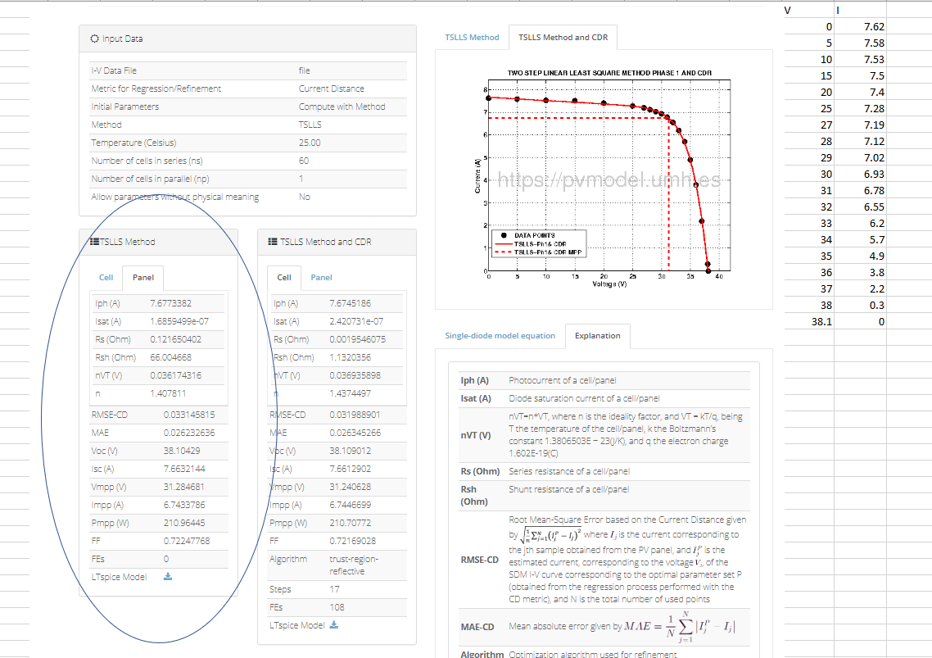
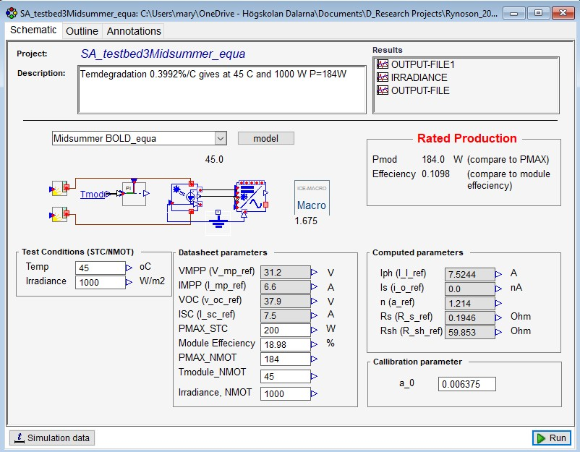
Name | Value | Unit | Description
VdcMaxModule | 1000 | V | Maximum DC voltage of the PV system allowed for this panel
CellTech | CIGS |  | PV cell technology
HWDsizes[1:3] | {1.69 1.005 0.002} | m | Outer dimensions of PV module in order of height, width, and depth in portrait orientation
massModule | 5 | kg | Mass of PV module
I_sc_ref | 7.5 | A | Short-circuit current at STC reference conditions
V_oc_ref | 37.9 | V | Open- circuit voltage at reference conditions
I_mp_ref | 6.6 | A | Current at maximum power point at STC reference conditions
V_mp_ref | 31.2 | V | Voltage at maximum power point at STC reference conditions
alpha_sc | 0.0099 |  | Temperature coefficient for short-circuit current; I_sc temperature coefficient (data sheet)/100*I_sc_ref
beta_oc | -0.3279 |  | Temperature coefficient for open-circuit current; V_oc temperature coefficient (data sheet)/100*V_oc_ref
subModRows | 10 |  | Number of rows of submodules in one module
subModCols | 6 |  | Number of columns of submodules in one module
subMCellRows | 1 |  | Number of rows of cells in one submodule
subMCellCols | 1 |  | Number of columns of cells in one submodule
a_ref | 2.17045896 |  | Diode ideality factor at STC reference conditions; (Ns/Np)*nVT
I_I_ref | 7.6773382 | A | Light current at STC reference conditions
I_o_ref | 168.59499 | nA | Diode reverse saturation current at STC reference conditions; Isat*10^9
R_s_ref | 0.121650402 | Ohm | Series resistance at STC reference conditions
R_sh_ref | 66.004668 | Ohm | Shunt resistance at STC reference conditions
nPsubM_inRow | 1 |  | Number of submodules in parallel in a submodule row
nPsubM_inCol | 1 |  | Number of submodules in parallel in a submodule column
Transparency[1:2] | {0.0 0.0} | % | Transparency for cell covered area and inter-cell area
HW_LightExp[1:2] | {1.685 1.0} | m | Dimensions of light exposed area of the PV module in order of height and width in portrait orientation
HW_cell[1:2] | {0.156 0.156} | m | Dimensions of cells in order of height and width in the portait oriented module
ratioFullCellSq | 99 | % | Ratio of the pseudo cell's area to the full square's area

 |  |  |  | what if only 1 string? =>

